Sheet1
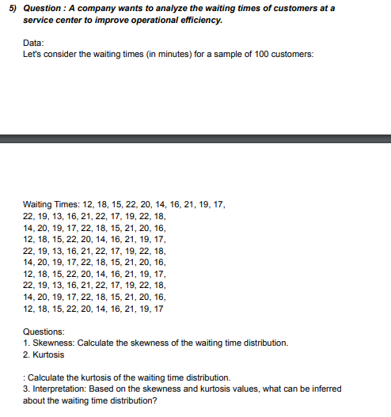
DATA |  |  |  |  | ANSWERS
12 | 14 | 22 | 12 | 14 | Skewness | -0.33501287222
18 | 20 | 19 | 18 | 20 | Kurtosis | -0.88101144669
15 | 19 | 13 | 15 | 19 | Interpretation | The data is negatively or left skewed, that means most of the customers have to wait the same amount of time i.e : 22 minutes.
22 | 17 | 16 | 22 | 17 | Mean | 18.09
20 | 22 | 21 | 20 | 22 | Median | 18
14 | 18 | 22 | 14 | 18 | Mode | 22
16 | 15 | 19 | 16 | 15
21 | 21 | 17 | 21 | 21
19 | 20 | 22 | 19 | 20
17 | 16 | 18 | 17 | 16
22 | 12 | 14 | 22 | 12
19 | 18 | 20 | 19 | 18
13 | 15 | 19 | 13 | 15
16 | 22 | 17 | 16 | 22
21 | 20 | 22 | 21 | 20
22 | 14 | 18 | 22 | 14
17 | 16 | 15 | 17 | 16
19 | 21 | 21 | 19 | 21
22 | 19 | 20 | 22 | 19
18 | 17 | 16 | 18 | 17

